1S 2T
A logistics company believe that its average delivery time is equal to 3 days. The company wants to test this belief.
The company collected a sample data of 40 delivery times to test if there enough evidence (at α = .05) to conclude that the population mean delivery time for the company is equal to 3 days?

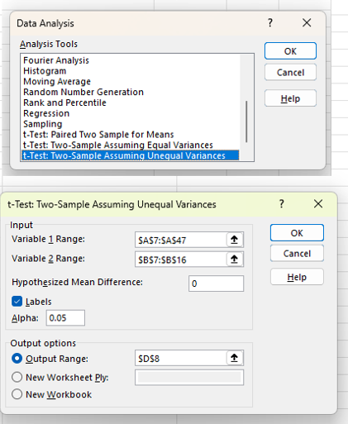
Delivery Time | Dummy
1 | 3 | t-Test: Two-Sample Assuming Unequal Variances
3 | 3
5 | 3 |  | Delivery Time | Dummy
3 | 3 | Mean | 3.4 | 3
3 | 3 | Variance | 1.8871794872 | 0
4 | 3 | Observations | 40 | 9
2 | 3 | Hypothesized Mean Difference | 0
5 | 3 | df | 39
3 | 3 | t Stat | 1.8415494421
6 |  | P(T<=t) one-tail | 0.03657792429
4 |  | t Critical one-tail | 1.6848751217
3 |  | P(T<=t) two-tail | 0.07315584858
1 |  | t Critical two-tail | 2.02269092
4
2
2
3
4
5
2
1
4
6
4 |  |  |  | 0.036693973713
4 |  |  |  | 0.96330602629
1 |  |  |  | 0.073387947425
3
6
2
4
4
2
3
3
4
3
3
5
4
5

1S 1T Upper
A manufacturing company has implemented a new production process aimed at increasing the average daily output of units produced.
The management wants to determine if this new process has led to a statistically significant increase in production compared to the previous process.

Null Hypothesis (H₀): μ ≤ 500 (no improvement)
Alternative Hypothesis (H₁): μ > 500 (output has increased)
This is a one-sample upper-tailed t-test.
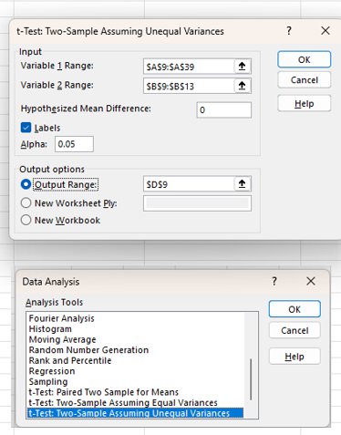

Daily Output | Dummy | t-Test: Two-Sample Assuming Unequal Variances
517 | 500
528 | 500 |  | Daily Output | Dummy
517 | 500 | Mean | 520 | 500
494 | 500 | Variance | 340.06896552 | 0
537 |  | Observations | 30 | 4
486 |  | Hypothesized Mean Difference | 0
515 |  | df | 29
528 |  | t Stat | 5.9402828256
500 |  | P(T<=t) one-tail | 9.382859417E-07
564 |  | t Critical one-tail | 1.6991270265
521 |  | P(T<=t) two-tail | 1.8765718834E-06
510 |  | t Critical two-tail | 2.0452296421
512
519
534
483
520
539
530
509
547
526
538
531
509
538
491
505
534
518

